INVENTARIO
 |  |  | TST
 | MASCULINO
 | Talla | CANT | PVP
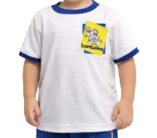
CAMISETA BAMBOLINO | 0 | 5 | $40,900
 | 2 | 20 | $40,900
 | 4 | 30 | $44,900
 | 6 | 30 | $44,900

SUDADERA BAMBOLIN | 0 | 5 | $60,900
 | 2 | 20 | $60,900
 | 4 | 30 | $64,900
 | 6 | 20 | $64,900
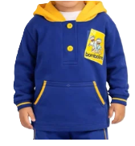
CHOMPA BAMBOLINO | 2 | 5 | $60,900
 | 4 | 20 | $64,900
 | 6 | 10 | $64,900
 | 8 | 5 | $64,900
DELANTAL BAMBOLIN | 2 | 10 | $60,900
 | 4 | 15 | $64,900
 | 6 | 8 | $64,900
PAVA BAMBOLINO | UNI | 5 | $56,900

GORRA BAMBOLINO | UNI | 5 | $56,900

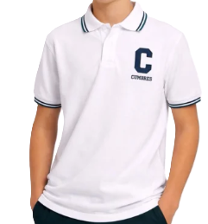
POLO ED FISICA UNISEX | 4 | 40 | $47,900
 | 6 | 60 | $47,900
 | 8 | 60 | $47,900
 | 10 | 60 | $47,900
 | 12 | 40 | $51,900
 | 14 | 50 | $51,900
 | 16 | 30 | $51,900
 | 18 | 20 | $51,900
 | XS | 15 | $55,900
 | S | 15 | $55,900
 | M | 8 | $55,900
SUDADERA AZUL | 4 | 15 | $64,900
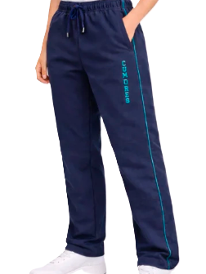
 | 6 | 30 | $64,900
 | 8 | 30 | $64,900
 | 10 | 30 | $64,900
 | 12 | 20 | $69,900
 | 14 | 20 | $69,900
 | 16 | 20 | $69,900
 | S | 5 | $74,900
JUMPER | 10 | 5 | $126,900
 | 12 | 15 | $126,900
 | 14 | 15 | $126,900
BLUSA GALA DAMA | 8 | 5 | $34,900

 | 10 | 20 | $34,900
 | 12 | 30 | $34,900
 | 14 | 30 | $34,900
 | 16 | 15 | $34,900
 | XS | 10 | $37,900
 | S | 5 | $37,900
CHOMPA BLANCA | 4 | 8 | $73,900

 | 6 | 15 | $73,900
 | 8 | 15 | $73,900
 | 10 | 15 | $73,900
 | 12 | 20 | $78,900
 | 14 | 15 | $78,900
 | 16 | 10 | $78,900
 | 18 | 10 | $78,900
DELANTAL VERDE NIÑA | 4 | 5 | $45,900
 | 6 | 5 | $45,900
 | 8 | 5 | $45,900
DELANTAL AZUL NIÑO | 4 | 5 | $45,900
 | 6 | 5 | $45,900
 | 8 | 5 | $45,900
CAMISA GALA | 8 | 5 | $62,900

 | 10 | 10 | $62,900
 | 12 | 30 | $62,900
 | 14 | 30 | $62,900
 | 16 | 20 | $62,900
 | 18 | 20 | $62,900
 | XS | 10 | $66,900
 | S | 10 | $66,900
 | M | 5 | $66,900
PANTALON GALA GRIS | 10 | 15 | $86,900
 | 12 | 30 | $86,900
 | 14 | 20 | $86,900
 | 16 | 15 | $86,900
 | 18 | 10 | $86,900
 | 28 | 10 | $94,900

SACO AZUL CV UNISEX | 12 | 10 | $129,900
 | 14 | 10 | $129,900
 | 16 | 5 | $129,900
 | S | 5 | $134,900
CHOMPA AZUL | 4 | 8 | $73,900

 | 6 | 10 | $73,900
 | 8 | 10 | $73,900
 | 10 | 10 | $73,900
 | 12 | 10 | $78,900
 | 14 | 10 | $78,900
 | 16 | 10 | $78,900
 | 18 | 10 | $78,900
 | S | 5 | $86,900
 | M | 5 | $86,900
SUDADERA VERDE | 4 | 20 | $64,900
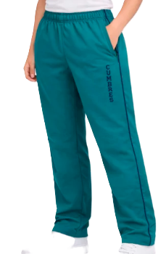
 | 6 | 40 | $64,900
 | 8 | 50 | $64,900
 | 10 | 50 | $64,900
 | 12 | 50 | $69,900
 | 14 | 30 | $69,900
 | 16 | 20 | $69,900
 | S | 10 | $74,900
 | M | 10 | $74,900
MEDIAS GRISES X3 | 8 A 10 | 10 | $38,000
 | 10 A 12 | 8 | $39,000
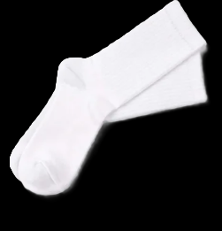
MEDIAS BLANCAS X2 | 2 A 4 | 15 | $22,000
 | 4 A 6 | 15 | $23,000
 | 6 A 8 | 15 | $24,000
 | 8 A 10 | 15 | $25,000
 | 10 A 12 | 20 | $26,000
MEDIAS BLA.GALA DAMA | 8 A 10 | 15 | $46,000
 | 9 A 11 | 10 | $48,000
MEDIAS AZULES X3 | 10 A 12 | 8 | $39,000
CORREA | 12 A 18 | 10 | $48,900
 | 28 A 36 | 8 | $52,900
CORBATA | UNIC | 12 | $49,900
FALDA | 10 | 5 | $116,900
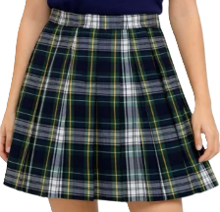
 | 12 | 12 | $116,900
 | 14 | 12 | $116,900
 | 16 | 10 | $116,900
 | XS | 10 | $125,900
 | S | 10 | $125,900
 | M | 5 | $125,900

CHALECO | 12 | 10 | $114,900
 | 14 | 10 | $114,900
 | 16 | 10 | $114,900
 | XS | 10 | $119,900
 | S | 5 | $119,900
BLUSA GALA DAMA | XS | 5 | $75,900

 | S | 10 | $75,900
 | M | 5 | $75,900
 | L | 3 | $75,900
POLO DAMA | XS | 15 | $79,900
 | S | 15 | $79,900
 | M | 10 | $79,900
 | L | 5 | $84,900
CAMISETA CUELLO EN V | XS | 15 | $69,900

DAMA | S | 20 | $69,900
 | M | 10 | $69,900
 | L | 5 | $69,900
 | XL | 2 | $74,900
CAMISETA CUELLO REDON. | S | 20 | $69,900

HOMBRE | M | 20 | $69,900
 | L | 15 | $69,900
 | XL | 5 | $69,900
 | 2XL | 2 | $74,900

POLO MASCULINA | S | 20 | $79,900
 | M | 40 | $79,900
 | L | 20 | $79,900
 | XL | 5 | $84,900
CAMISA GALA | S | 5 | $86,900
HOMBRE | M | 10 | $86,900
 | L | 10 | $86,900
 | XL | 5 | $91,900
PANTALON GALA AZUL | 28 | 10 | $126,900
 | 30 | 10 | $126,900
 | 32 | 15 | $126,900
 | 34 | 10 | $126,900
 | 36 | 5 | $131,900
SUDADERA AZUL | XS | 10 | $94,900
UNISEX | S | 15 | $94,900
 | M | 20 | $94,900
 | L | 20 | $94,900
 | XL | 5 | $99,900
SACO TEJIDO AZUL UNISEX | S | 8 | $134,900
 | M | 8 | $134,900
 | L | 8 | $134,900
 | XL | 3 | $139,900
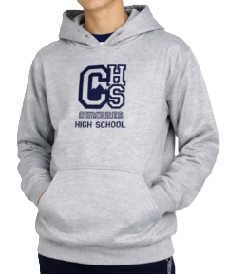
CHOMPA GRIS UNISEX | S | 10 | $119,900
 | M | 15 | $119,900
 | L | 10 | $119,900
 | XL | 5 | $124,900

